Table S6
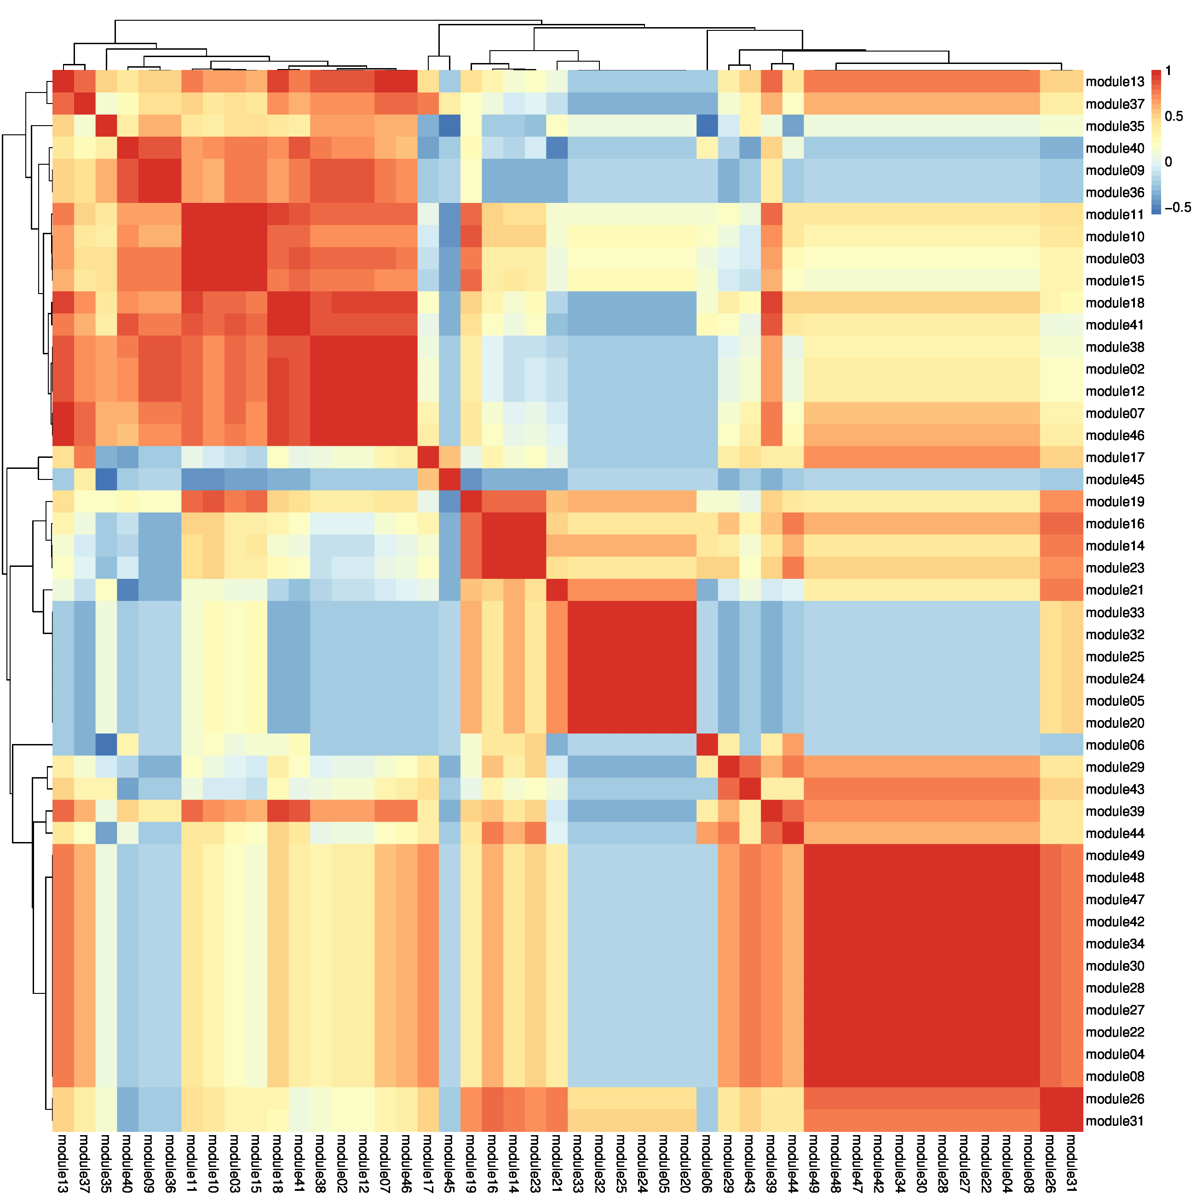
...
S | Z | D | C | V | St | Module | M | P | S | Z | D | C | V | St | Module | M | P | S | toxin | C
0.65573770492 | 0.57923497268 | 0.65573770492 | 0 | 0.14207650273 | 0 | module02 |  |  | 0.65573770492 | 0.57923497268 | 0.65573770492 |  |  |  | module02 | 0 | 0 | 0.65573770492 | 1.2349726776 | 0
0.72928176796 | 0.7182320442 | 0.66298342541 | 0.29281767956 | 0.58563535912 | 0.055248618785 | module03 | 0.72375690608 |  | 0.72928176796 | 0.7182320442 | 0.66298342541 |  | 0.58563535912 |  | module03 | 0.72375690608 | 0 | 0.72928176796 | 1.3812154696 | 0
0.7486631016 | 0.10695187166 | 0.10695187166 | 0.053475935829 | 0.053475935829 | 0.053475935829 | module04 |  |  | 0.7486631016 |  |  |  |  |  | module04 | 0 | 0 | 0.7486631016 | 0 | 0
0.328125 | 0.296875 | 0.296875 | 0.27604166667 | 0.328125 | 0.18229166667 | module05 | 0.51041666667 | 0.33854166667 | 0.328125 |  |  |  | 0.328125 |  | module05 | 0.51041666667 | 0.33854166667 | 0.328125 | 0 | 0
0.3591160221 | 0.3591160221 | 0.3591160221 | 0 | 0.59668508287 | 0.17679558011 | module06 | 0.3591160221 |  | 0.3591160221 | 0.3591160221 | 0.3591160221 |  | 0.59668508287 |  | module06 | 0.3591160221 | 0 | 0.3591160221 | 0.7182320442 | 0
0.83 | 0.535 | 0.535 | 0.065 | 0.365 | 0.17 | module07 | 0.435 |  | 0.83 | 0.535 | 0.535 |  | 0.365 |  | module07 | 0.435 | 0 | 0.83 | 1.07 | 0
0.82317073171 | 0.17682926829 | 0.17682926829 | 0.25609756098 | 0.079268292683 | 0 | module08 |  |  | 0.82317073171 |  |  |  |  |  | module08 | 0 | 0 | 0.82317073171 | 0 | 0
Do 0.3 threshold screening to get the main phenotype of the module
Combination of DON and ZEN into toxin
0.44171779141 | 0.63190184049 | 0.30674846626 | 0.32515337423 | 0.11042944785 | 0.39877300613 | module09 |  | 0.32515337423 | 0.44171779141 | 0.63190184049 | 0.30674846626 | 0.32515337423 |  | 0.39877300613 | module09 | 0 | 0.32515337423 | 0.44171779141 | 0.93865030675 | 0.32515337423
1 | 0.71980676329 | 0.71980676329 | 0.4154589372 | 0.89855072464 | 0.4154589372 | module10 | 0.94685990338 |  | 1 | 0.71980676329 | 0.71980676329 | 0.4154589372 | 0.89855072464 | 0.4154589372 | module10 | 0.94685990338 | 0 | 1 | 1.4396135266 | 0.4154589372
0.91124260355 | 0.58579881657 | 0.58579881657 | 0.16568047337 | 0.59763313609 | 0.18934911243 | module11 | 0.59763313609 |  | 0.91124260355 | 0.58579881657 | 0.58579881657 |  | 0.59763313609 |  | module11 | 0.59763313609 | 0 | 0.91124260355 | 1.1715976331 | 0
0.55151515152 | 0.50303030303 | 0.50303030303 | 0.15757575758 | 0.18181818182 | 0.12727272727 | module12 |  |  | 0.55151515152 | 0.50303030303 | 0.50303030303 |  |  |  | module12 | 0 | 0 | 0.55151515152 | 1.0060606061 | 0
0.6936416185 | 0.52601156069 | 0.28901734104 | 0.40462427746 | 0.23699421965 | 0.3063583815 | module13 | 0.38728323699 | 0.40462427746 | 0.6936416185 | 0.52601156069 |  | 0.40462427746 |  | 0.3063583815 | module13 | 0.38728323699 | 0.40462427746 | 0.6936416185 | 0.52601156069 | 0.40462427746
0.55747126437 | 0.16091954023 | 0.46551724138 | 0.37356321839 | 0.52873563218 | 0.44827586207 | module14 | 0.70114942529 | 0.37356321839 | 0.55747126437 |  | 0.46551724138 | 0.37356321839 | 0.52873563218 | 0.44827586207 | module14 | 0.70114942529 | 0.37356321839 | 0.55747126437 | 0.46551724138 | 0.37356321839
0.73429951691 | 0.74879227053 | 0.74879227053 | 0.12077294686 | 0.68115942029 | 0.19806763285 | module15 | 0.87922705314 |  | 0.73429951691 | 0.74879227053 | 0.74879227053 |  | 0.68115942029 |  | module15 | 0.87922705314 | 0 | 0.73429951691 | 1.4975845411 | 0
0.93939393939 | 0.17575757576 | 0.17575757576 | 0.20606060606 | 0.70909090909 | 0 | module16 | 0.70909090909 |  | 0.93939393939 |  |  |  | 0.70909090909 |  | module16 | 0.70909090909 | 0 | 0.93939393939 | 0 | 0
0.92 | 0.35333333333 | 0.35333333333 | 0.35333333333 | 0.12666666667 | 0.08 | module17 |  | 0.75333333333 | 0.92 | 0.35333333333 | 0.35333333333 | 0.35333333333 |  |  | module17 | 0 | 0.75333333333 | 0.92 | 0.70666666667 | 0.35333333333
1 | 0.61860465116 | 0.55813953488 | 0 | 0.52558139535 | 0.31162790698 | module18 | 0.46511627907 |  | 1 | 0.61860465116 | 0.55813953488 |  | 0.52558139535 | 0.31162790698 | module18 | 0.46511627907 | 0 | 1 | 1.176744186 | 0
0.67682926829 | 0.53048780488 | 0.20731707317 | 0.37804878049 | 0.5 | 0 | module19 | 0.90853658537 | 0.49390243902 | 0.67682926829 | 0.53048780488 |  | 0.37804878049 | 0.5 |  | module19 | 0.90853658537 | 0.49390243902 | 0.67682926829 | 0.53048780488 | 0.37804878049
0.43243243243 | 0.34594594595 | 0.28648648649 | 0 | 0.14594594595 | 0.45945945946 | module20 | 0.43243243243 |  | 0.43243243243 | 0.34594594595 |  |  |  | 0.45945945946 | module20 | 0.43243243243 | 0 | 0.43243243243 | 0.34594594595 | 0
0.6 | 0.20606060606 | 0.20606060606 | 0.066666666667 | 0.38787878788 | 0.56363636364 | module21 | 0.92727272727 | 0.46060606061 | 0.6 |  |  |  | 0.38787878788 | 0.56363636364 | module21 | 0.92727272727 | 0.46060606061 | 0.6 | 0 | 0
0.88043478261 | 0.076086956522 | 0.076086956522 | 0 | 0.076086956522 | 0.39130434783 | module22 |  |  | 0.88043478261 |  |  |  |  | 0.39130434783 | module22 | 0 | 0 | 0.88043478261 | 0 | 0
0.69585253456 | 0.40092165899 | 0.33179723502 | 0.40552995392 | 0.71889400922 | 0.133640553 | module23 | 0.64976958525 | 0.35023041475 | 0.69585253456 | 0.40092165899 | 0.33179723502 | 0.40552995392 | 0.71889400922 |  | module23 | 0.64976958525 | 0.35023041475 | 0.69585253456 | 0.73271889401 | 0.40552995392
0.44845360825 | 0.22680412371 | 0.22680412371 | 0.051546391753 | 0.37628865979 | 0.28350515464 | module24 |  |  | 0.44845360825 |  |  |  | 0.37628865979 |  | module24 | 0 | 0 | 0.44845360825 | 0 | 0
0.47904191617 | 0.2994011976 | 0.2994011976 | 0.071856287425 | 0.31736526946 | 0.22155688623 | module25 | 0.38922155689 | 0.31736526946 | 0.47904191617 |  |  |  | 0.31736526946 |  | module25 | 0.38922155689 | 0.31736526946 | 0.47904191617 | 0 | 0
1 | 0.095238095238 | 0.2380952381 | 0.24867724868 | 0.33333333333 | 0.3544973545 | module26 | 0.68783068783 |  | 1 |  |  |  | 0.33333333333 | 0.3544973545 | module26 | 0.68783068783 | 0 | 1 | 0 | 0
...
 |  | 0.34653465347 | 0.43564356436 | 0.57920792079 | 0.069306930693 | module44 | 0.41584158416 |  | 0.54455445545 | 0.34653465347 | 0.34653465347 | 0.43564356436 | 0.57920792079 |  | module44 | 0.41584158416 | 0 | 0.54455445545 | 0.69306930693
 |  | 0.38235294118 | 0.48235294118 | 0.31176470588 | 0.38235294118 | module45 | 0.44705882353 | 0.68823529412 | 0.44705882353 | 0.38235294118 | 0.38235294118 | 0.48235294118 | 0.31176470588 | 0.38235294118 | module45 | 0.44705882353 | 0.68823529412 | 0.44705882353 | 0.76470588235 | 0.48235294118 | 0.31176470588 | 0.38235294118
 |  | 0.70175438596 | 0 | 0.22807017544 | 0 | module46 |  |  | 0.61403508772 | 0.47368421053 | 0.70175438596 |  |  |  | module46 | 0 | 0 | 0.61403508772 | 1.1754385965 | 0 | 0 | 0
 |  | 0.13953488372 | 0.1976744186 | 0.32558139535 | 0.25 | module47 |  |  | 1 |  |  |  | 0.32558139535 |  | module47 | 0 | 0 | 1 | 0 | 0 | 0.32558139535 | 0
 |  | 0.39751552795 | 0.068322981366 | 0.27950310559 | 0.29192546584 | module48 |  |  | 0.60869565217 | 0.39751552795 | 0.39751552795 |  |  |  | module48 | 0 | 0 | 0.60869565217 | 0.7950310559 | 0 | 0 | 0
 |  | 0.067073170732 | 0.18292682927 | 0.39024390244 | 0.14634146341 | module49 |  |  | 0.64024390244 |  |  |  | 0.39024390244 |  | module49 | 0 | 0 | 0.64024390244 | 0 | 0 | 0.39024390244 | 0

Main phenotypes of each module
 | M | P | S | Z | D | C | V | St
module02 |  |  | 0.65573770492 | 0.57923497268 | 0.65573770492
module03 | 0.72375690608 |  | 0.72928176796 | 0.7182320442 | 0.66298342541 |  | 0.58563535912
module04 |  |  | 0.7486631016
module05 | 0.51041666667 | 0.33854166667 | 0.328125 |  |  |  | 0.328125
module06 | 0.3591160221 |  | 0.3591160221 | 0.3591160221 | 0.3591160221 |  | 0.59668508287
module07 | 0.435 |  | 0.83 | 0.535 | 0.535 |  | 0.365
module08 |  |  | 0.82317073171
module09 |  | 0.32515337423 | 0.44171779141 | 0.63190184049 | 0.30674846626 | 0.32515337423 |  | 0.39877300613
module10 | 0.94685990338 |  | 1 | 0.71980676329 | 0.71980676329 | 0.4154589372 | 0.89855072464 | 0.4154589372
module11 | 0.59763313609 |  | 0.91124260355 | 0.58579881657 | 0.58579881657 |  | 0.59763313609
module12 |  |  | 0.55151515152 | 0.50303030303 | 0.50303030303
module13 | 0.38728323699 | 0.40462427746 | 0.6936416185 | 0.52601156069 |  | 0.40462427746 |  | 0.3063583815
module14 | 0.70114942529 | 0.37356321839 | 0.55747126437 |  | 0.46551724138 | 0.37356321839 | 0.52873563218 | 0.44827586207
module15 | 0.87922705314 |  | 0.73429951691 | 0.74879227053 | 0.74879227053 |  | 0.68115942029
module16 | 0.70909090909 |  | 0.93939393939 |  |  |  | 0.70909090909
module17 |  | 0.75333333333 | 0.92 | 0.35333333333 | 0.35333333333 | 0.35333333333
module18 | 0.46511627907 |  | 1 | 0.61860465116 | 0.55813953488 |  | 0.52558139535 | 0.31162790698
module19 | 0.90853658537 | 0.49390243902 | 0.67682926829 | 0.53048780488 |  | 0.37804878049 | 0.5
module20 | 0.43243243243 |  | 0.43243243243 | 0.34594594595 |  |  |  | 0.45945945946
module21 | 0.92727272727 | 0.46060606061 | 0.6 |  |  |  | 0.38787878788 | 0.56363636364
module22 |  |  | 0.88043478261 |  |  |  |  | 0.39130434783
module23 | 0.64976958525 | 0.35023041475 | 0.69585253456 | 0.40092165899 | 0.33179723502 | 0.40552995392 | 0.71889400922
module24 |  |  | 0.44845360825 |  |  |  | 0.37628865979
module25 | 0.38922155689 | 0.31736526946 | 0.47904191617 |  |  |  | 0.31736526946
module26 | 0.68783068783 |  | 1 |  |  |  | 0.33333333333 | 0.3544973545
module27 | 0.34358974359 |  | 0.85128205128
module28 |  | 0.44642857143 | 0.63095238095
module29 | 0.45454545455 |  | 0.83957219251 |  |  | 0.58823529412 | 0.55614973262
module30 |  |  | 1 | 0.30898876404 | 0.30898876404
module31 | 0.51530612245 |  | 0.72959183673 |  |  |  | 0.31632653061 | 0.32142857143
module32 | 0.63043478261 |  | 0.39673913043 |  |  | 0.39673913043 | 0.38043478261
module33 | 0.46892655367 |  | 0.46892655367 | 0.46892655367 | 0.46892655367 |  | 0.38983050847
module34 | 0.45614035088 |  | 0.92397660819 | 0.30409356725 | 0.30409356725 |  | 0.38011695906
module35 | 0.55813953488 | 0.48837209302 | 0.55813953488 | 0.50581395349 | 0.50581395349 | 0.72674418605 | 0.49418604651 | 0.54651162791
module36 |  |  | 0.33720930233 | 0.50581395349 | 0.49418604651
module37 | 0.34415584416 | 0.52597402597 | 0.74675324675 | 0.5974025974 | 0.41558441558
module38 | 0.41148325359 |  | 0.51674641148 | 0.54545454545 | 0.54545454545 |  | 0.41148325359
module39 |  |  | 0.82098765432 | 0.54320987654 | 0.43209876543 |  | 0.54320987654
module40 | 0.35359116022 |  | 0.35359116022 | 0.54143646409 | 0.54143646409 |  | 0.53038674033
module41 | 0.47093023256 | 0.36627906977 | 0.66860465116 | 0.56976744186 | 0.56976744186 | 0.47093023256 | 0.56976744186 | 0.37209302326
module42 | 0.30813953488 |  | 0.62209302326
module43 |  | 0.375 | 0.73913043478 |  |  | 0.58152173913
module44 | 0.41584158416 |  | 0.54455445545 | 0.34653465347 | 0.34653465347 | 0.43564356436 | 0.57920792079
module45 | 0.44705882353 | 0.68823529412 | 0.44705882353 | 0.38235294118 | 0.38235294118 | 0.48235294118 | 0.31176470588 | 0.38235294118
module46 |  |  | 0.61403508772 | 0.47368421053 | 0.70175438596
module47 |  |  | 1 |  |  |  | 0.32558139535
module48 |  |  | 0.60869565217 | 0.39751552795 | 0.39751552795
module49 |  |  | 0.64024390244 |  |  |  | 0.39024390244
Main phenotypes of each module(toxin:Z,D)
 | M | P | S | toxin | C | V | St
module02 | 0 | 0 | 0.65573770492 | 1.2349726776 | 0 | 0 | 0
module03 | 0.72375690608 | 0 | 0.72928176796 | 1.3812154696 | 0 | 0.58563535912 | 0
module04 | 0 | 0 | 0.7486631016 | 0 | 0 | 0 | 0
module05 | 0.51041666667 | 0.33854166667 | 0.328125 | 0 | 0 | 0.328125 | 0
module06 | 0.3591160221 | 0 | 0.3591160221 | 0.7182320442 | 0 | 0.59668508287 | 0
module07 | 0.435 | 0 | 0.83 | 1.07 | 0 | 0.365 | 0
module08 | 0 | 0 | 0.82317073171 | 0 | 0 | 0 | 0
module09 | 0 | 0.32515337423 | 0.44171779141 | 0.93865030675 | 0.32515337423 | 0 | 0.39877300613
module10 | 0.94685990338 | 0 | 1 | 1.4396135266 | 0.4154589372 | 0.89855072464 | 0.4154589372
module11 | 0.59763313609 | 0 | 0.91124260355 | 1.1715976331 | 0 | 0.59763313609 | 0
module12 | 0 | 0 | 0.55151515152 | 1.0060606061 | 0 | 0 | 0
module13 | 0.38728323699 | 0.40462427746 | 0.6936416185 | 0.52601156069 | 0.40462427746 | 0 | 0.3063583815
module14 | 0.70114942529 | 0.37356321839 | 0.55747126437 | 0.46551724138 | 0.37356321839 | 0.52873563218 | 0.44827586207
module15 | 0.87922705314 | 0 | 0.73429951691 | 1.4975845411 | 0 | 0.68115942029 | 0
module16 | 0.70909090909 | 0 | 0.93939393939 | 0 | 0 | 0.70909090909 | 0
module17 | 0 | 0.75333333333 | 0.92 | 0.70666666667 | 0.35333333333 | 0 | 0
module18 | 0.46511627907 | 0 | 1 | 1.176744186 | 0 | 0.52558139535 | 0.31162790698
module19 | 0.90853658537 | 0.49390243902 | 0.67682926829 | 0.53048780488 | 0.37804878049 | 0.5 | 0
module20 | 0.43243243243 | 0 | 0.43243243243 | 0.34594594595 | 0 | 0 | 0.45945945946
module21 | 0.92727272727 | 0.46060606061 | 0.6 | 0 | 0 | 0.38787878788 | 0.56363636364
module22 | 0 | 0 | 0.88043478261 | 0 | 0 | 0 | 0.39130434783
module23 | 0.64976958525 | 0.35023041475 | 0.69585253456 | 0.73271889401 | 0.40552995392 | 0.71889400922 | 0
module24 | 0 | 0 | 0.44845360825 | 0 | 0 | 0.37628865979 | 0
module25 | 0.38922155689 | 0.31736526946 | 0.47904191617 | 0 | 0 | 0.31736526946 | 0
module26 | 0.68783068783 | 0 | 1 | 0 | 0 | 0.33333333333 | 0.3544973545
module27 | 0.34358974359 | 0 | 0.85128205128 | 0 | 0 | 0 | 0
module28 | 0 | 0.44642857143 | 0.63095238095 | 0 | 0 | 0 | 0
module29 | 0.45454545455 | 0 | 0.83957219251 | 0 | 0.58823529412 | 0.55614973262 | 0
module30 | 0 | 0 | 1 | 0.61797752809 | 0 | 0 | 0
module31 | 0.51530612245 | 0 | 0.72959183673 | 0 | 0 | 0.31632653061 | 0.32142857143
module32 | 0.63043478261 | 0 | 0.39673913043 | 0 | 0.39673913043 | 0.38043478261 | 0
module33 | 0.46892655367 | 0 | 0.46892655367 | 0.93785310734 | 0 | 0.38983050847 | 0
module34 | 0.45614035088 | 0 | 0.92397660819 | 0.6081871345 | 0 | 0.38011695906 | 0
module35 | 0.55813953488 | 0.48837209302 | 0.55813953488 | 1.011627907 | 0.72674418605 | 0.49418604651 | 0.54651162791
module36 | 0 | 0 | 0.33720930233 | 1 | 0 | 0 | 0
module37 | 0.34415584416 | 0.52597402597 | 0.74675324675 | 1.012987013 | 0 | 0 | 0
module38 | 0.41148325359 | 0 | 0.51674641148 | 1.0909090909 | 0 | 0.41148325359 | 0
module39 | 0 | 0 | 0.82098765432 | 0.97530864198 | 0 | 0.54320987654 | 0
module40 | 0.35359116022 | 0 | 0.35359116022 | 1.0828729282 | 0 | 0.53038674033 | 0
module41 | 0.47093023256 | 0.36627906977 | 0.66860465116 | 1.1395348837 | 0.47093023256 | 0.56976744186 | 0.37209302326
module42 | 0.30813953488 | 0 | 0.62209302326 | 0 | 0 | 0 | 0
module43 | 0 | 0.375 | 0.73913043478 | 0 | 0.58152173913 | 0 | 0
module44 | 0.41584158416 | 0 | 0.54455445545 | 0.69306930693 | 0.43564356436 | 0.57920792079 | 0
module45 | 0.44705882353 | 0.68823529412 | 0.44705882353 | 0.76470588235 | 0.48235294118 | 0.31176470588 | 0.38235294118
module46 | 0 | 0 | 0.61403508772 | 1.1754385965 | 0 | 0 | 0
module47 | 0 | 0 | 1 | 0 | 0 | 0.32558139535 | 0
module48 | 0 | 0 | 0.60869565217 | 0.7950310559 | 0 | 0 | 0
module49 | 0 | 0 | 0.64024390244 | 0 | 0 | 0.39024390244 | 0

 |  |  |  |  |  | Module | M | P | S | Z | D | C | V | St |  | M | P | S | toxin | C | V | St |  | S
 |  |  |  |  |  | module02 |  |  | 0.65573770492 | 0.57923497268 | 0.65573770492 |  |  |  | module02 | 0 | 0 | 0.65573770492 | 1.2349726776 | 0 | 0 | 0 | S,toxin | 2,3,4,8,11,12,13,14,15,16,17,18,19,21,22,23,26,27,28,29,30,31,34,35,37,38,39,41,42,43,44,46,47,48,49
 |  |  |  |  |  | module03 | 0.72375690608 |  | 0.72928176796 | 0.7182320442 | 0.66298342541 |  | 0.58563535912 |  | module03 | 0.72375690608 | 0 | 0.72928176796 | 1.3812154696 | 0 | 0.58563535912 | 0 | M,S,toxin,V
Do 0.5 threshold screening to get the main phenotype of the module
 |  |  |  |  |  | module04 |  |  | 0.7486631016 |  |  |  |  |  | module04 | 0 | 0 | 0.7486631016 | 0 | 0 | 0 | 0 |  | toxin
 |  |  |  |  |  | module05 | 0.51041666667 |  |  |  |  |  |  |  | module05 | 0.51041666667 | 0 | 0 | 0 | 0 | 0 | 0 |  | 2,3,7,9,10,11,12,13,15,18,19,35,36,37,38,39,40,41,46
 |  |  |  |  |  | module06 |  |  |  |  |  |  | 0.59668508287 |  | module06 | 0 | 0 | 0 | 0 | 0 | 0.59668508287 | 0
 |  |  |  |  |  | module07 |  |  | 0.83 | 0.535 | 0.535 |  |  |  | module07 | 0 | 0 | 0.83 | 1.07 | 0 | 0 | 0 |  | V
 |  |  |  |  |  | module08 |  |  | 0.82317073171 |  |  |  |  |  | module08 | 0 | 0 | 0.82317073171 | 0 | 0 | 0 | 0 |  | 3,6,10,11,14,15,16,18,19,23,29,39,40,41,44
 |  |  |  |  |  | module09 |  |  |  | 0.63190184049 |  |  |  |  | module09 | 0 | 0 | 0 | 0.63190184049 | 0 | 0 | 0
 |  |  |  |  |  | module10 | 0.94685990338 |  | 1 | 0.71980676329 | 0.71980676329
 |  |  |  |  |  | module11 | 0.59763313609 |  | 0.91124260355 | 0.58579881657 | 0.58579881657
 |  |  |  |  |  | module12 |  |  | 0.55151515152 | 0.50303030303 | 0.50303030303
 |  |  |  |  |  | module13 |  |  | 0.6936416185 | 0.52601156069
 |  |  |  |  |  | module14 | 0.70114942529 |  | 0.55747126437
 |  |  |  |  |  | module15 | 0.87922705314 |  | 0.73429951691 | 0.74879227053 | 0.74879227053
 |  |  |  |  |  | module16 | 0.70909090909 |  | 0.93939393939
 |  |  |  |  |  | module17 |  | 0.75333333333 | 0.92
 |  |  |  |  |  | module18 |  |  | 1 | 0.61860465116 | 0.55813953488
 |  |  |  |  |  | module19 | 0.90853658537 |  | 0.67682926829 | 0.53048780488
 |  |  |  |  |  | module20
 |  |  |  |  |  | module21 | 0.92727272727 |  | 0.6
...
 |  |  |  |  |  |  |  |  | S | Z | D | C | V | St |  | M | P | S | toxin | C | V | St |  | S
 |  |  |  |  |  |  |  |  | 0.62209302326 |  |  |  |  |  | module42 | 0 | 0 | 0.62209302326 | 0 | 0 | 0 | 0
 |  |  |  |  |  |  |  |  | 0.73913043478 |  |  | 0.58152173913 |  |  | module43 | 0 | 0 | 0.73913043478 | 0 | 0.58152173913 | 0 | 0
 |  |  |  |  |  |  |  |  | 0.54455445545 |  |  |  | 0.57920792079 |  | module44 | 0 | 0 | 0.54455445545 | 0 | 0 | 0.57920792079 | 0
 |  |  |  |  |  |  |  |  |  |  |  |  |  |  | module45 | 0 | 0.68823529412 | 0 | 0 | 0 | 0 | 0
 |  |  |  |  |  |  |  |  | 0.61403508772 |  | 0.70175438596 |  |  |  | module46 | 0 | 0 | 0.61403508772 | 0.70175438596 | 0 | 0 | 0
 |  |  |  |  |  |  |  |  | 1 |  |  |  |  |  | module47 | 0 | 0 | 1 | 0 | 0 | 0 | 0
 |  |  |  |  |  |  |  |  | 0.60869565217 |  |  |  |  |  | module48 | 0 | 0 | 0.60869565217 | 0 | 0 | 0 | 0
 |  |  |  |  |  |  |  |  | 0.64024390244 |  |  |  |  |  | module49 | 0 | 0 | 0.64024390244 | 0 | 0 | 0 | 0

Main phenotypes of each module(toxin:Z,D)
 | M | P | S | toxin | C | V | St
module02 | 0 | 0 | 0.65573770492 | 1.2349726776 | 0 | 0 | 0
module03 | 0.72375690608 | 0 | 0.72928176796 | 1.3812154696 | 0 | 0.58563535912 | 0
module04 | 0 | 0 | 0.7486631016 | 0 | 0 | 0 | 0
module05 | 0.51041666667 | 0 | 0 | 0 | 0 | 0 | 0
module06 | 0 | 0 | 0 | 0 | 0 | 0.59668508287 | 0
module07 | 0 | 0 | 0.83 | 1.07 | 0 | 0 | 0
module08 | 0 | 0 | 0.82317073171 | 0 | 0 | 0 | 0
module09 | 0 | 0 | 0 | 0.63190184049 | 0 | 0 | 0
module10 | 0.94685990338 | 0 | 1 | 1.4396135266 | 0 | 0.89855072464 | 0
module11 | 0.59763313609 | 0 | 0.91124260355 | 1.1715976331 | 0 | 0.59763313609 | 0
module12 | 0 | 0 | 0.55151515152 | 1.0060606061 | 0 | 0 | 0
module13 | 0 | 0 | 0.6936416185 | 0.52601156069 | 0 | 0 | 0
module14 | 0.70114942529 | 0 | 0.55747126437 | 0 | 0 | 0.52873563218 | 0
module15 | 0.87922705314 | 0 | 0.73429951691 | 1.4975845411 | 0 | 0.68115942029 | 0
module16 | 0.70909090909 | 0 | 0.93939393939 | 0 | 0 | 0.70909090909 | 0
module17 | 0 | 0.75333333333 | 0.92 | 0 | 0 | 0 | 0
module18 | 0 | 0 | 1 | 1.176744186 | 0 | 0.52558139535 | 0
module19 | 0.90853658537 | 0 | 0.67682926829 | 0.53048780488 | 0 | 0.5 | 0
module20 | 0 | 0 | 0 | 0 | 0 | 0 | 0
module21 | 0.92727272727 | 0 | 0.6 | 0 | 0 | 0 | 0.56363636364
module22 | 0 | 0 | 0.88043478261 | 0 | 0 | 0 | 0
module23 | 0.64976958525 | 0 | 0.69585253456 | 0 | 0 | 0.71889400922 | 0
module24 | 0 | 0 | 0 | 0 | 0 | 0 | 0
module25 | 0 | 0 | 0 | 0 | 0 | 0 | 0
module26 | 0.68783068783 | 0 | 1 | 0 | 0 | 0 | 0
module27 | 0 | 0 | 0.85128205128 | 0 | 0 | 0 | 0
module28 | 0 | 0 | 0.63095238095 | 0 | 0 | 0 | 0
module29 | 0 | 0 | 0.83957219251 | 0 | 0.58823529412 | 0.55614973262 | 0
module30 | 0 | 0 | 1 | 0 | 0 | 0 | 0
module31 | 0.51530612245 | 0 | 0.72959183673 | 0 | 0 | 0 | 0
module32 | 0.63043478261 | 0 | 0 | 0 | 0 | 0 | 0
module33 | 0 | 0 | 0 | 0 | 0 | 0 | 0
module34 | 0 | 0 | 0.92397660819 | 0 | 0 | 0 | 0
module35 | 0.55813953488 | 0 | 0.55813953488 | 1.011627907 | 0.72674418605 | 0 | 0.54651162791
module36 | 0 | 0 | 0 | 0.50581395349 | 0 | 0 | 0
module37 | 0 | 0.52597402597 | 0.74675324675 | 0.5974025974 | 0 | 0 | 0
module38 | 0 | 0 | 0.51674641148 | 1.0909090909 | 0 | 0 | 0
module39 | 0 | 0 | 0.82098765432 | 0.54320987654 | 0 | 0.54320987654 | 0
module40 | 0 | 0 | 0 | 1.0828729282 | 0 | 0.53038674033 | 0
module41 | 0 | 0 | 0.66860465116 | 1.1395348837 | 0 | 0.56976744186 | 0
module42 | 0 | 0 | 0.62209302326 | 0 | 0 | 0 | 0
module43 | 0 | 0 | 0.73913043478 | 0 | 0.58152173913 | 0 | 0
module44 | 0 | 0 | 0.54455445545 | 0 | 0 | 0.57920792079 | 0
module45 | 0 | 0.68823529412 | 0 | 0 | 0 | 0 | 0
module46 | 0 | 0 | 0.61403508772 | 0.70175438596 | 0 | 0 | 0
module47 | 0 | 0 | 1 | 0 | 0 | 0 | 0
module48 | 0 | 0 | 0.60869565217 | 0 | 0 | 0 | 0
module49 | 0 | 0 | 0.64024390244 | 0 | 0 | 0 | 0

Table S8
Table S8. Results of protein sequence alignment

Using the regulator protein sequence of each module to compare with the TF database of yeast
Using the predicted motif to compare with the TF database of yeast

 | QueryID | E-value | SubjectDefID | FGSG_01341 | TF | E-value
1 | YNL167C | 5.93104E-07 | FGSG_00515T0 |  | YNL027W | 3.24E-54
2 | YHR040W | 2.01994E-08 | FGSG_00653T0 |  | YDR146C | 7.86E-18
3 | YJR055W | 1.25769E-11 | FGSG_00653T0 |  | YLR131C | 3.34E-17
4 | YOL108C | 3.90028E-09 | FGSG_00750T0 |  | YJL056C | 9.90E-14
5 | YDL020C | 7.0435E-10 | FGSG_01341T0 |  | YPR186C | 5.18E-13
6 | YDR146C | 7.85734E-18 | FGSG_01341T0 |  | YDL020C | 7.04E-10
7 | YLR131C | 3.34256E-17 | FGSG_01341T0 | FGSG_01350
8 | YNL027W | 3.23854E-54 | FGSG_01341T0 |  | YOR113W | 4.39E-21
9 | YPR186C | 5.18029E-13 | FGSG_01341T0 |  | YPL038W | 5.70E-16
...

Table S11
...
to ratio |  | Chr01 | Chr02 | Chr03 | Chr04
 | module07 | 0.013220815752 | 0.01604850214 | 0.011998345056 | 0.013292821876
 | module08 | 0.011251758087 | 0.0096291012839 | 0.016549441456 | 0.011773642233
 | module09 | 0.030098452883 | 0.036019971469 | 0.031030202731 | 0.028864413217
 | module10 | 0.017721518987 | 0.027460770328 | 0.018204385602 | 0.019749335359
 | module11 | 0.012376933896 | 0.013552068474 | 0.011584609019 | 0.0087352829472
 | module12 | 0.012095639944 | 0.017475035663 | 0.012825817129 | 0.006076718572
 | module13 | 0.069479606188 | 0.025320970043 | 0.056681836988 | 0.057349031523
 | module14 | 0.019690576653 | 0.018901569187 | 0.020273065784 | 0.022787694645
 | module15 | 0.018565400844 | 0.01997146933 | 0.023996690112 | 0.018230155716
 | module16 | 0.0050632911392 | 0.0085592011412 | 0.0070335126189 | 0.0041777440182
Distribution of genes on chromosomes
 | Chr01 | Chr02 | Chr03 | Chr04
module01 | 0.0036568213783 | 0.0074893009986 | 0.0041373603641 | 0.0049373338397
module02 | 0.027566807314 | 0.031027104137 | 0.022755482002 | 0.02544625902
module03 | 0.11476793249 | 0.076319543509 | 0.10881257758 | 0.10976072921
module04 | 0.024753867792 | 0.02032810271 | 0.029788994621 | 0.02544625902
module05 | 0.012658227848 | 0.023537803138 | 0.015721969384 | 0.013672616787
module06 | 0.017721518987 | 0.021398002853 | 0.014894497311 | 0.018230155716
module07 | 0.013220815752 | 0.01604850214 | 0.011998345056 | 0.013292821876
module08 | 0.011251758087 | 0.0096291012839 | 0.016549441456 | 0.011773642233
module09 | 0.030098452883 | 0.036019971469 | 0.031030202731 | 0.028864413217
module10 | 0.017721518987 | 0.027460770328 | 0.018204385602 | 0.019749335359
module11 | 0.012376933896 | 0.013552068474 | 0.011584609019 | 0.0087352829472
module12 | 0.012095639944 | 0.017475035663 | 0.012825817129 | 0.006076718572
module13 | 0.069479606188 | 0.025320970043 | 0.056681836988 | 0.057349031523
module14 | 0.019690576653 | 0.018901569187 | 0.020273065784 | 0.022787694645
module15 | 0.018565400844 | 0.01997146933 | 0.023996690112 | 0.018230155716
module16 | 0.0050632911392 | 0.0085592011412 | 0.0070335126189 | 0.0041777440182
module17 | 0.026160337553 | 0.015335235378 | 0.015308233347 | 0.023547284466
module18 | 0.0194092827 | 0.019614835949 | 0.019445593711 | 0.020888720091
module19 | 0.0056258790436 | 0.015335235378 | 0.0095159288374 | 0.011014052412
module20 | 0.016315049226 | 0.016405135521 | 0.021514273893 | 0.017850360805
module21 | 0.05288326301 | 0.023181169757 | 0.040132395532 | 0.053930877326
module22 | 0.01800281294 | 0.019258202568 | 0.019445593711 | 0.013292821876
module23 | 0.020534458509 | 0.030313837375 | 0.02068680182 | 0.014812001519
module24 | 0.011533052039 | 0.014978601997 | 0.015721969384 | 0.011014052412
module25 | 0.026722925457 | 0.026390870185 | 0.026892842367 | 0.019369540448
module26 | 0.0028129395218 | 0.0021398002853 | 0.0016549441456 | 0.001519179643
module27 | 0.013220815752 | 0.019258202568 | 0.010757136947 | 0.0041777440182
module28 | 0.0081575246132 | 0.010342368046 | 0.0078609846918 | 0.0083554880365
module29 | 0.010970464135 | 0.011412268188 | 0.0082747207282 | 0.0079756931257
module30 | 0.03094233474 | 0.030313837375 | 0.026892842367 | 0.028104823395
module31 | 0.019127988748 | 0.03209700428 | 0.024824162185 | 0.013672616787
module32 | 0.0098452883263 | 0.0046362339515 | 0.0057923045097 | 0.0053171287505
module33 | 0.0090014064698 | 0.014978601997 | 0.010757136947 | 0.012153437144
module34 | 0.014908579466 | 0.021398002853 | 0.015308233347 | 0.012153437144
module35 | 0.023909985935 | 0.01997146933 | 0.029788994621 | 0.022028104823
module36 | 0.010689170183 | 0.014265335235 | 0.011998345056 | 0.007595898215
module37 | 0.0067510548523 | 0.014265335235 | 0.011998345056 | 0.0049373338397
module38 | 0.033473980309 | 0.043865905849 | 0.038891187422 | 0.031902772503
module39 | 0.043037974684 | 0.021754636234 | 0.033098882913 | 0.037599696164
module40 | 0.0098452883263 | 0.01997146933 | 0.012412081092 | 0.0098746676795
module41 | 0.014908579466 | 0.02032810271 | 0.016549441456 | 0.012913026965
module42 | 0.023628691983 | 0.021041369472 | 0.013653289201 | 0.014812001519
module43 | 0.0053445850914 | 0.014265335235 | 0.011170872983 | 0.0049373338397
module44 | 0.011814345992 | 0.023537803138 | 0.022755482002 | 0.012913026965
module45 | 0.038537271449 | 0.023537803138 | 0.033512618949 | 0.027725028485
module46 | 0.0022503516174 | 0.0085592011412 | 0.002068680182 | 0.0022787694645
module47 | 0.0084388185654 | 0.012482168331 | 0.0082747207282 | 0.0064565134827
module48 | 0.021659634318 | 0.023181169757 | 0.024410426148 | 0.014812001519
module49 | 0.018846694796 | 0.018544935806 | 0.022341745966 | 0.018989745537
 | module17 | 0.026160337553 | 0.015335235378 | 0.015308233347 | 0.023547284466
 | module18 | 0.0194092827 | 0.019614835949 | 0.019445593711 | 0.020888720091
 | module19 | 0.0056258790436 | 0.015335235378 | 0.0095159288374 | 0.011014052412
 | module20 | 0.016315049226 | 0.016405135521 | 0.021514273893 | 0.017850360805
 | module21 | 0.05288326301 | 0.023181169757 | 0.040132395532 | 0.053930877326
 | module22 | 0.01800281294 | 0.019258202568 | 0.019445593711 | 0.013292821876
 | module23 | 0.020534458509 | 0.030313837375 | 0.02068680182 | 0.014812001519
 | module24 | 0.011533052039 | 0.014978601997 | 0.015721969384 | 0.011014052412
 | module25 | 0.026722925457 | 0.026390870185 | 0.026892842367 | 0.019369540448
 | module26 | 0.0028129395218 | 0.0021398002853 | 0.0016549441456 | 0.001519179643
 | module27 | 0.013220815752 | 0.019258202568 | 0.010757136947 | 0.0041777440182
 | module28 | 0.0081575246132 | 0.010342368046 | 0.0078609846918 | 0.0083554880365
 | module29 | 0.010970464135 | 0.011412268188 | 0.0082747207282 | 0.0079756931257
 | module30 | 0.03094233474 | 0.030313837375 | 0.026892842367 | 0.028104823395
 | module31 | 0.019127988748 | 0.03209700428 | 0.024824162185 | 0.013672616787
 | module32 | 0.0098452883263 | 0.0046362339515 | 0.0057923045097 | 0.0053171287505
 | module33 | 0.0090014064698 | 0.014978601997 | 0.010757136947 | 0.012153437144
 | module34 | 0.014908579466 | 0.021398002853 | 0.015308233347 | 0.012153437144
 | module35 | 0.023909985935 | 0.01997146933 | 0.029788994621 | 0.022028104823
 | module36 | 0.010689170183 | 0.014265335235 | 0.011998345056 | 0.007595898215
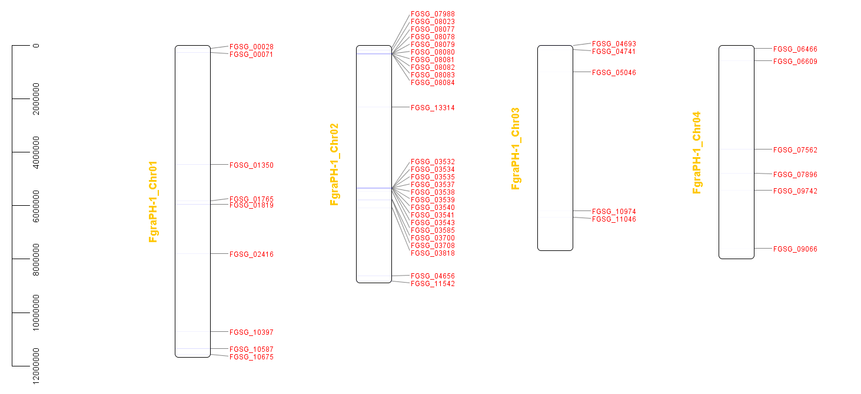
 | module37 | 0.0067510548523 | 0.014265335235 | 0.011998345056 | 0.0049373338397
 | module38 | 0.033473980309 | 0.043865905849 | 0.038891187422 | 0.031902772503
 | module39 | 0.043037974684 | 0.021754636234 | 0.033098882913 | 0.037599696164
 | module40 | 0.0098452883263 | 0.01997146933 | 0.012412081092 | 0.0098746676795
 | module41 | 0.014908579466 | 0.02032810271 | 0.016549441456 | 0.012913026965
 | module42 | 0.023628691983 | 0.021041369472 | 0.013653289201 | 0.014812001519
 | module43 | 0.0053445850914 | 0.014265335235 | 0.011170872983 | 0.0049373338397
 | module44 | 0.011814345992 | 0.023537803138 | 0.022755482002 | 0.012913026965
 | module45 | 0.038537271449 | 0.023537803138 | 0.033512618949 | 0.027725028485
 | module46 | 0.0022503516174 | 0.0085592011412 | 0.002068680182 | 0.0022787694645
 | module47 | 0.0084388185654 | 0.012482168331 | 0.0082747207282 | 0.0064565134827
 | module48 | 0.021659634318 | 0.023181169757 | 0.024410426148 | 0.014812001519
 | module49 | 0.018846694796 | 0.018544935806 | 0.022341745966 | 0.018989745537
...

